All Tables
1. apakah memungkinkan ditambah fiter yang unique?
2. seberapa sering query ini akan digunakan? 1x sehari? 1 minggu sekali?
3. seberapa besar data yang akan di proses? 1juta rows, 10juta rows
4. seberapa besar growth data dalam 1 bulannya? 1juta rows, 10juta rows
5. untuk metode tarik datanya seperti apa? Truncate insert atau bagaimana? mohon menjawab 5 pertanyaan diatas...
Fitur | microservice | table name | new/ eksisting | DB | service_name | GRANT CISO | kkoolom tambahan | tabel bda
Deposito Special Rate | DEPOSIT | DEPOSIT.DEPOSITO_SPECIAL_ELIGIBLE_USER_A | NEW | LIVIN | EVCMLRPT | DONE |  | prod_bm_bda_pst.everest_deposit_deposito_special_eligible_user_a
Deposito Special Rate | DEPOSIT | DEPOSIT.DEPOSIT_SPECIAL_PROGRAM | NEW | LIVIN | EVCMLRPT | DONE |  | prod_bm_bda_pst.everest_deposit_deposito_special_program
Deposito Special Rate | DEPOSIT | DEPOSIT.DEPOSIT_TENOR | NEW | LIVIN | EVCMLRPT | tabel not exist
Deposito Special Rate | DEPOSIT | DEPOSIT.DEPOSITO_SPECIAL_CHECKPOINT | NEW | LIVIN | EVCMLRPT | DONE |  | prod_bm_bda_pst.everest_deposit_deposito_special_checkpoint
Deposito Special Rate | DEPOSIT | DEPOSIT.DEPOSITO_SPECIAL_TENOR_RATE | NEW | LIVIN | EVCMLRPT | DONE |  | prod_bm_bda_pst.everest_deposit_deposito_special_tenor_rate
Deposito Special Rate | DEPOSIT | DEPOSIT.DEPOSITO_SPECIAL_TENOR_RATE_CHECKPOINT | NEW | LIVIN | EVCMLRPT | DONE |  | prod_bm_bda_pst.everest_deposit_deposito_special_tenor_rate_checkpoint
1.
2. 1 kali sehari
3. ratusan hingga ribuan rows dalam sehari penarikan
4.
5. insert append, tidak menyebabkan perubahan di source
BUKA TABUNGAN EMAS | BULLION | BULLION.ACCOUNT_APPLICATION | NEW | LIVIN | EVCMLRPT | DONE |  | prod_bm_bda_pst.everest_bullion_account_application
CICIL EMAS | BULLION | BULLION.INSTALLMENT_APPLICATION | NEW | LIVIN | EVCMLRPT | DONE |  | prod_bm_bda_pst.everest_bullion_installment_application
LIVIN FOOD | BPSUSR | BPSUSR.ACC2ACC_TRAN | NEW | LIVIN | BPS | DONE |  | prod_bm_bda_pst.BPS_BPSUSR_ACC2ACC_TRAN
LIVIN FOOD | BPSUSR | BPSUSR.GL2ACC_TRAN | NEW | LIVIN | BPS | DONE |  | prod_bm_bda_pst.BPS_BPSUSR_GL2ACC_TRAN
LIVIN FOOD | BPSUSR | BPSUSR.ICS_MULTIMID_TRAN | NEW | LIVIN | BPS | DONE |  | prod_bm_bda_pst.BPS_BPSUSR_ICS_MULTIMID_TRAN
LIVIN FOOD | LM_VA_PAYMENT | LM_VA_PAYMENT.VA_TRANSACTION | NEW | LIVIN MERCHANT |  | DONE |  | prod_bm_bda_pst.LM_VA_PAYMENT_VA_TRANSACTION
LIVIN FOOD | LM_ONLINE_STORE | LM_ONLINE_STORE.ORDERS | NEW | LIVIN MERCHANT |  | DONE |  | prod_bm_bda_pst.LM_ONLINE_STORE_ORDERS
Ambil Emas | BULLION_TRANSACTION | BULLION_TRANSACTION.GOLD_BRANCH_WITHDRAWAL_APPLICATION | NEW | LIVIN | EVCMLRPT
Ambil Emas | BULLION_TRANSACTION | BULLION_TRANSACTION.WITHDRAWAL_HISTORY_ASSET | NEW | LIVIN | EVCMLRPT
Ambil Emas | BULLION_TRANSACTION | BULLION_TRANSACTION.gold_branch_region_sla_mapping | NEW | LIVIN | EVCMLRPT
Ambil Emas | BULLION_TRANSACTION | BULLION_TRANSACTION.WITHDRAWAL_HISTORY | NEW | LIVIN | EVCMLRPT
BUKA TABUNGAN EMAS | BULLION | BULLION.ACCOUNT_APPLICATION | NEW | LIVIN | EVCMLRPT | DONE |  | prod_bm_bda_pst.everest_bullion_account_application
CICIL EMAS | BULLION | BULLION.INSTALLMENT_APPLICATION_OFFER | NEW | LIVIN | EVCMLRPT | DONE |  | prod_bm_bda_pst.everest_bullion_installment_application_offer
CICIL EMAS | BULLION | BULLION.APPLICATION_MILESTONE | NEW | LIVIN | EVCMLRPT | DONE |  | prod_bm_bda_pst.everest_bullion_application_milestone
ATM Emas | BLN_SAVING | BLN_SAVING.SAVING_GOLD_TRX_HISTORY | NEW | BULLCORE |  | alternative |  | prod_bm_bda_pst.bln_saving_snap_saving_gold_trx_history
ATM Emas | BLN_SAVING | BLN_SAVING.SAVING_GOLD_TRX_HISTORY_ATM | NEW | BULLCORE |  | alternative |  | prod_bm_bda_pst.bln_saving_snap_saving_gold_trx_history_atm
Enhancement KSM Emas (G2G) | BULLION | BULLION.SAVING_APPLICATION | NEW | LIVIN | EVCMLRPT | DONE |  | prod_bm_bda_pst.everest_bullion_saving_application
Enhancement KSM Emas (G2G) | BULLION | BULLION.FACE_VERIFICATION | NEW | LIVIN | EVCMLRPT | DONE |  | prod_bm_bda_pst.everest_bullion_face_verification
LIVIN FOOD | PAYMENT_ECOSYSTEM | payment_ecosystem.gl_account | NEW | LIVIN | EVDBRPT | DONE |  | prod_bm_bda_pst.everest_payment_ecosystem_gl_account
LIVIN FOOD | PAYMENT_ECOSYSTEM | payment_ecosystem.gl_transaction | NEW | LIVIN | EVDBRPT | DONE |  | prod_bm_bda_pst.everest_payment_ecosystem_gl_transaction
Widget Biller | UBPV2 | UBPV2.BILL_REMINDER_DATA | NEW | UBP
Widget Biller | UBPV2 | UBPV2.BILL_REMINDER_HISTORY | NEW | UBP
LIVIN FOOD | PAYMENT_ECOSYSTEM | payment_ecosystem.merchant_event_mapping | NEW | LIVIN | EVDBRPT
TRAVOY | SAMS | sams.public.sams_channel_log | NEW | SAMS
TRAVOY | SAMS | sams.public.va_journal vj | NEW | SAMS
TITIP EMAS | BULLION | bullion.custody_application | NEW | LIVIN
TITIP EMAS | BULLION | bullion.custody_account | NEW | LIVIN
TITIP EMAS | LOAN | loan.gold_loan_account

B2 Titip Emas (V)
 | PO: Sypa; SM: Aisyah; AD: Fashalli | Dashboard Titip Emas

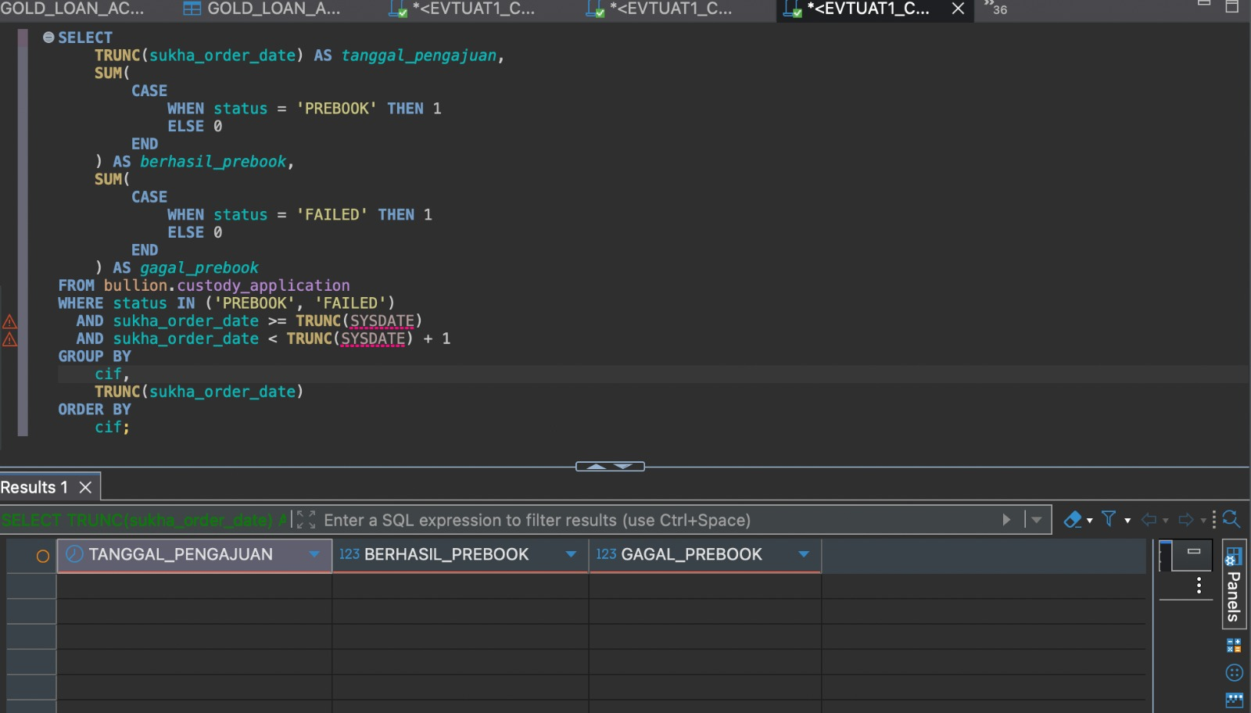
 | 1. Summary Prebook (CIF)
 | Tanggal Pengajuan | Berhasil prebook | Gagal prebook
 |  |  | (Tidak disimpan di table livin)

Schema.table Livin (Core/Comple) |  | bullion.custody_application (Comple)
Query Livin |  | SELECT TRUNC(ca.CREATED_TIME) AS CREATED_DATE, COUNT(DISTINCT ca.CIF) AS TOTAL_CIF FROM BULLION.CUSTODY_APPLICATION ca WHERE ca.CREATED_TIME >= TO_DATE('09/01/2026 00:00:00', 'MM/DD/YYYY HH24:MI:SS') AND ca.CREATED_TIME < TO_DATE('09/08/2026 00:00:00', 'MM/DD/YYYY HH24:MI:SS') GROUP BY TRUNC(ca.CREATED_TIME) ORDER BY CREATED_DATE ASC;

 | 2. Summary Prebook (Frekuensi)
 | Tanggal Pengajuan | Berhasil prebook | Gagal prebook

Schema.table Livin (Core/Comple) |  | bullion.custody_application (Comple)
Query Livin |  | SELECT TRUNC(ca.CREATED_TIME) AS CREATED_DATE, COUNT(DISTINCT ca.LOAN_ACCOUNT_NUMBER) AS TOTAL_LOAN_ACCOUNT FROM BULLION.CUSTODY_APPLICATION ca WHERE ca.CREATED_TIME >= TO_DATE('09/01/2026 00:00:00', 'MM/DD/YYYY HH24:MI:SS') AND ca.CREATED_TIME < TO_DATE('09/08/2026 00:00:00', 'MM/DD/YYYY HH24:MI:SS') GROUP BY TRUNC(ca.CREATED_TIME) ORDER BY CREATED_DATE ASC;

 | 3. Summary Titip (CIF)
 | Tanggal Pengajuan | Berhasil titip emas | Gagal titip emas
 |  |  | Per saat ini, mekanismenya adalah retry sampai berhasil. Tdk set flag gagal

Schema.table Livin (Core/Comple) |  | bullion.custody_account
Query Livin |  | SELECT TRUNC(ca.CREATED_TIME) AS TANGGAL_BERHASIL, COUNT(DISTINCT ca.CIF) AS BERHASIL_TITIP_EMAS FROM BULLION.CUSTODY_ACCOUNT ca WHERE ca.CREATED_TIME >= TO_DATE('09/01/2026 00:00:00', 'MM/DD/YYYY HH24:MI:SS') AND ca.CREATED_TIME < TO_DATE('09/08/2026 00:00:00', 'MM/DD/YYYY HH24:MI:SS') GROUP BY TRUNC(ca.CREATED_TIME) ORDER BY TANGGAL_BERHASIL ASC;

 | 4. Summary Titip (Frekuensi)
 | Tanggal Pengajuan | Berhasil titip emas | Gagal titip emas

Schema.table Livin (Core/Comple) |  | bullion.custody_account
Query Livin |  | SELECT TRUNC(ca.CREATED_TIME) AS TANGGAL_BERHASIL, COUNT(*) AS BERHASIL_TITIP_EMAS FROM BULLION.CUSTODY_ACCOUNT ca WHERE ca.CREATED_TIME >= TO_DATE('09/01/2026 00:00:00', 'MM/DD/YYYY HH24:MI:SS') AND ca.CREATED_TIME < TO_DATE('09/08/2026 00:00:00', 'MM/DD/YYYY HH24:MI:SS') GROUP BY TRUNC(ca.CREATED_TIME) ORDER BY TANGGAL_BERHASIL ASC;

 | 5. Titip Emas Gramasi |  | Menggunakan satuan gramasi
 | Tanggal Pengajuan | Berhasil titip emas (gr) | Gagal titip emas (gr)

Schema.table Livin (Core/Comple) |  | loan.gold_loan_account join bullion.custody_account
Query Livin |  | SELECT TRUNC(ca.CREATED_TIME) AS TANGGAL_PENGAJUAN, SUM(gla.GOLD_TOTAL_WEIGHT) AS BERHASIL_TITIP_EMAS_GR FROM LOAN.GOLD_LOAN_ACCOUNT gla JOIN BULLION.CUSTODY_ACCOUNT ca ON ca.LOAN_ACCOUNT_NUMBER = gla.LOAN_ACCOUNT_NUMBER WHERE ca.CREATED_TIME >= TO_DATE('09/01/2026 00:00:00', 'MM/DD/YYYY HH24:MI:SS') AND ca.CREATED_TIME < TO_DATE('09/08/2026 00:00:00', 'MM/DD/YYYY HH24:MI:SS') GROUP BY TRUNC(ca.CREATED_TIME) ORDER BY TANGGAL_PENGAJUAN ASC;

 | 6. xxx
 | Summary
 | Jumlah pelunasan ksm | jumlah req prebook | Pendebitan Biaya Saat Pertama buat Rekening | Jumlah rek terbentuk | Note alert:
 |  |  |  |  | 1. Terbentuk lebih dari 1 Custody ID pada 1 request pembentukan rekening titip 2. 1 Custody ID digunakan lebih dari 1 penitipan emas 3. | A. Perbandingan jumlah KSM Emas yang: 1. Prebook versus 2. Prebook yang Lunas versus 3. Rekening Penitipan Emas Terbentuk dari Prebook versus 4. Biaya Pendebitan B. Dashboard List User yang Gagal Titip Emas (CIF) C. Dashboard Alert jika ada maping Custody Id ke CIF rekening penitipan yang tidak 1 to 1

 | Jika ada yang alert, data baru muncul
 | Tanggal pengajuan | Nama | Uniq value (CIF) | Keterangan eror

 | Summary Prebook Titip Emas ​
 | Tanggal​ | Sukses​ | Gagal Teknis​
 | 16-9-2026 | 13 | 0

 | Summary Titip Emas yang Sukses/Gagal dibentuk pada suatu tanggal
 | Tanggal​ | Sukses​ | Gagal Bisnis (Pendebitan Biaya Titip)​ |  | Error Bisnis
 | 16-9-2026 | 12 | 1 |  | 1. Gagal Pendebitan Biaya saat Pembuatan Rekening Titip Emas 2. Kredit belum lunas tetapi proses Titip Emas sudah terbentuk 3. Debit biaya berhasil tetapi Rekening Penitipan gagal terbentuk
 | 17-9-2026 | 10 | 2

 | Summary Titip Emas yang Sukses/Gagal dibentuk pada suatu tanggal ​
 | Tanggal​ | Gagal Bisnis (Pendebitan Biaya Titip) Detil CIF​
 | 16-9-2026 | 19005446641
 | 17-9-2026 | 19005446642 19005446643

B2 KAD LTV100%
 | DASHBOARD MONITORING KAD LTV 100% |  |  |  |  |  |  |  |  | Landing Page manual disbursement | PIC ASP LOS |  |  | Email gagal Hold
 |  |  |  |  |  |  |  | Jika gagal Hold, akan email RCO. Ada proses manual di RCO. | Jika ada unhold gagal, akan ada alert ke Landing Page manual disbursement di ASP LOS utk manual unhold (flow existing).
 | 1. LTV 100% dan Sinking Fund |  |  |  |  |  | KEY untuk matching data: SEQUENCE, LOAN ACCOUNT, Tipe rekening, tipe blokir | >Kodtran 2210 >table DDSTOP, field RCID,isinya dg status: -Flag A= hold sukses -Flag D= hold release >KEY query ke ddstop: SEQUENCE, LOAN ACCOUNT, Tipe rekening, tipe blokir (tipe blokir: KS) RECID Record ID = status hold nya (A/D); SEQ3 Sequence = LOS ada kirim callback ke Livin CKTYPE Type of Entry = tipe blokir = KS CKAMT Check Amount = minimal hols sinkingfund STPREM Stop/Hold Remark = diisi LOAN_ACCOUNT pinjaman (fasilitas KASB) dengan PADDING 0 (ZERO) DI DEPAN SEHINGGA LENGTH NYA MAX 19 DIGIT | Note: Alert status failed & jadi merah Kodtran 2210 | 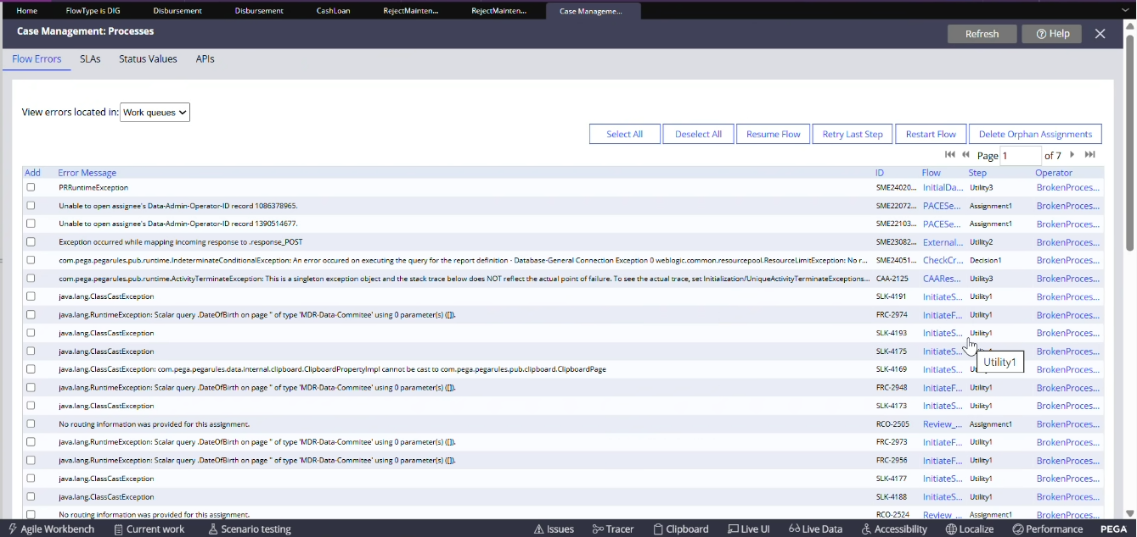 |  |  | 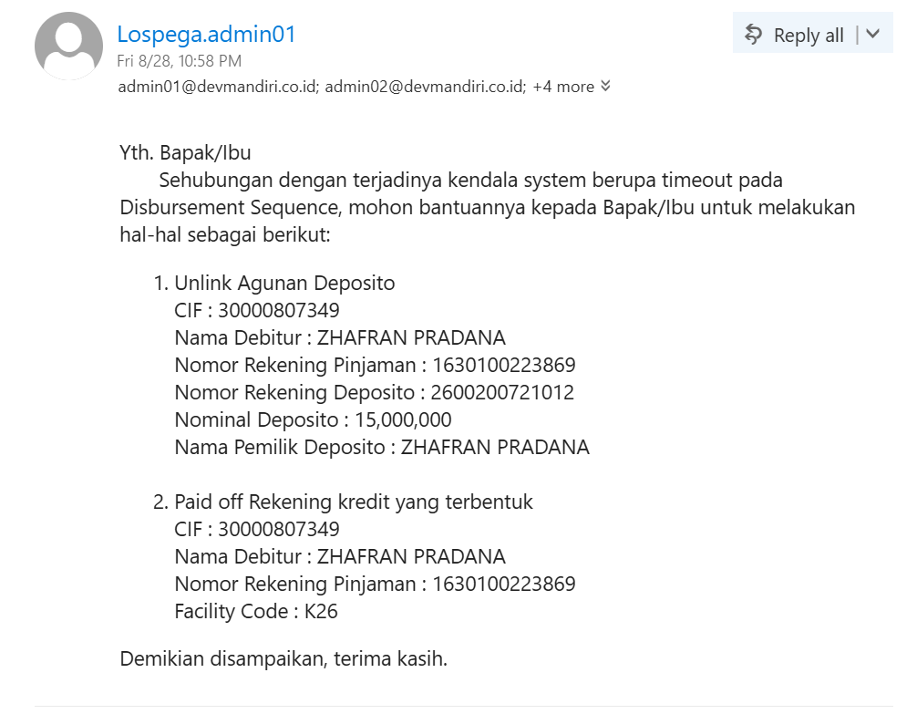
 | Tanggal Pengajuan [Livin] | Nama [Livin] | Nomor Rekening KAD [Livin] | Nomor Deposito yang diagunkan [Livin] | Persentase LTV [Livin] |  | Saldo Sinking Fund [Livin] | Status Hold Sinking Fund [Core] |  |  |  | Beta 1
 | 2026-08-27 09:20:31 | Tio Hutabarat | 1030100776321 | 1030201223291 | 93% |  | - | -
 | 2026-08-26 11:12:20 | Juni Mandira | 1080102761130 | 1080208712512 | 99,5% |  | 250,000.00 | Success
 | 2026-08-26 18:43:39 | Livin Ananda | 1030100878332 | 1030205321281 | 99,4% |  | 325,000.00 | Success
 | 2026-08-26 19:40:39 | Pipin Hakim | 1670100993211 | 1670205447131 | 99,2% |  | 300,000.00 | Success
Schema.table Livin (Core/Comple) | loan.DEPOSITO_LOAN_ACCOUNT_LIST; loan.DEPOSITO_LOAN_APPLICATION
Query Livin | SELECT dla.CREATED_TIME AS "Tanggal Pengajuan", dla.FULLNAME AS "Nama", dla.LOAN_ACCOUNT_NUMBER AS "Nomor Rekening KAD", dlal.DEPOSITO_ACCOUNT_NUMBER AS "Nomor Deposito yang Diagunkan", ROUND(dla.LTV_PERCENTAGE * 100, 2) AS "Persentase LTV", dla.HOLD_SINK_FUND AS "Saldo Sinking Fund", dla.HOLD_SEQ AS "Sequence" FROM loan.DEPOSITO_LOAN_ACCOUNT_LIST dlal JOIN loan.DEPOSITO_LOAN_APPLICATION dla ON dlal.APPLICATION_ID = dla.APPLICATION_ID WHERE dla.STATUS = 'COMPLETED' and TRUNC(SYSDATE) = TRUNC(dla.CREATED_TIME);
Schema.table Host (Core/Comple)
Query Host |  |  |  |  |  |  |  | select curdate(),recid AS Status_Hold_Singking_Fund,acctno,actype,seq3 AS Sequence_Number,cktype,stprem AS Nomor_Rekening_KAD,ckamt, DATE(SUBSTR(CHAR(dtpl),1,4) || '-01-01') + (INTEGER(SUBSTR(CHAR(dtpl),5,3)) - 1) DAYS AS TGL from bmdatprbk.ddstop where cktype = 'KS' and DATE(SUBSTR(CHAR(dtpl),1,4) || '-01-01') + (INTEGER(SUBSTR(CHAR(a.dtpl),5,3)) - 1) DAYS = curdate(); |  | 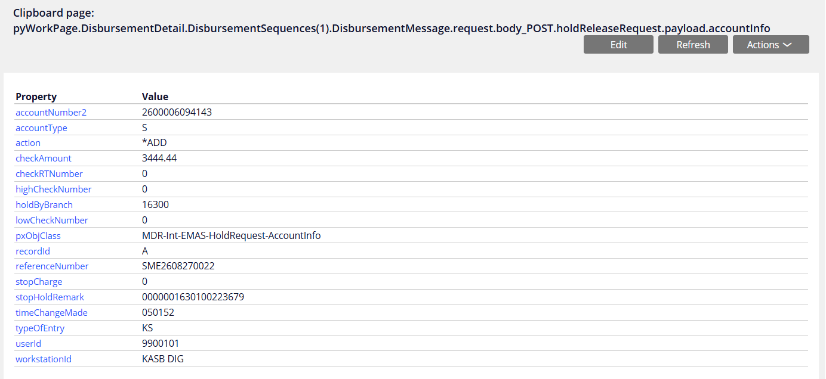
Note: matching key dengan seq number & kad account loan

 | 2. Status Sinking Fund Gagal Hold Selama Masa Kredit |  |  |  | Hanya memunculkan yang Gagal Hold
 | Tanggal Pengajuan | Nama | Nomor Rekening CASA | Nomor Rekening KAD | Status Hold Sinking Fund [xxx]
 | 2026-08-27 09:20:31 | Tio Hutabarat |  | 1030100776321 | Gagal Hold
 | 2026-08-26 11:12:20 | Juni Mandira |  | 1080102761130 | Gagal Hold
Schema.table Livin (Core/Comple) | loan.DEPOSITO_LOAN_APPLICATION
Query Livin | SELECT dla.CREATED_TIME AS "Tanggal Pengajuan", dla.FULLNAME AS "Nama", dla.LOAN_ACCOUNT_NUMBER AS "Nomor Rekening KAD", dla.HOLD_ACCOUNT AS "Nomor Rekening CASA", dla.HOLD_SINK_FUND AS "Saldo Sinking Fund", dla.HOLD_SEQ AS "Sequence" FROM loan.DEPOSITO_LOAN_APPLICATION dla WHERE dla.STATUS = 'COMPLETED' and TRUNC(SYSDATE) = TRUNC(dla.CREATED_TIME);
Schema.table Host (Core/Comple)
Query Host |  |  |  |  | select curdate(),recid AS Status_Hold_Singking_Fund,acctno,actype,seq3 AS Sequence_Number,cktype,stprem AS Nomor_Rekening_KAD,ckamt, DATE(SUBSTR(CHAR(dtpl),1,4) || '-01-01') + (INTEGER(SUBSTR(CHAR(dtpl),5,3)) - 1) DAYS AS TGL from bmdatprbk.ddstop where cktype = 'KS' and DATE(SUBSTR(CHAR(dtpl),1,4) || '-01-01') + (INTEGER(SUBSTR(CHAR(a.dtpl),5,3)) - 1) DAYS = curdate();
key matching: sequence & nomor rek KAD

Butuh data dev | Provide dari Mas Heru
1 | Data hold gagal
2 | Data unhold berhasil
3 | Data unhold gagal
4 | Data pembayaran ke -3 berhasil tetapi hold singking fund gagal | tbc discuss w/ Theresia

 | 3. Status Sinking Fund Gagal Unhold Saat penutupan kredit |  |  |  |  |  | Hanya memunculkan yang Gagal unhold
 | Tanggal Pengajuan | Nama | Nomor Rekening CASA | Reason tutup pinjaman | Nomor Rekening KAD | Saldo Sinking Fund [Livin] | Status Unhold Sinking Fund [xxx]
 | 2026-08-27 09:20:31 | Tio Hutabarat | 1234567890123 | Gagal bayar | 1030100776321 | 250,000.00 | Gagal Unhold
 | 2026-08-26 11:12:20 | Juni Mandira | 1234567890123 | Pelunasan dipercepat | 1080102761130 | 250,000.00 | Gagal Unhold
Tabel Livin Core/Comple | loan.DEPOSITO_LOAN_APPLICATION, loan.USER_LOAN, loan.DEPOSITO_EARLY_SETTLEMENT_TRX
Query Livin | SELECT dla.CREATED_TIME AS "Tanggal Pengajuan", dla.FULLNAME AS "Nama", dla.HOLD_ACCOUNT AS "Nomor Rekening CASA", dla.LOAN_ACCOUNT_NUMBER AS "Nomor Rekening KAD", CASE WHEN trx.LOAN_ACCOUNT_NUMBER is not null AND trx.TRANSACTION_STATUS = 'SUCCESS' THEN 'Pelunasan Dipercepat' ELSE '-' END AS "Reason Tutup Pinjaman", dla.HOLD_SINK_FUND AS "Saldo Sinking Fund", dla.HOLD_SEQ AS "Sequence" FROM loan.DEPOSITO_LOAN_APPLICATION dla LEFT JOIN loan.USER_LOAN ul ON dla.loan_account_number = ul.loan_account_number LEFT JOIN loan.DEPOSITO_EARLY_SETTLEMENT_TRX trx ON dla.LOAN_ACCOUNT_NUMBER = trx.LOAN_ACCOUNT_NUMBER WHERE dla.STATUS = 'COMPLETED'; AND ul.STATUS = 2;
Schema.table Host (Core/Comple)
Query Host |  |  |  |  |  |  | select curdate(),recid AS Status_Hold_Singking_Fund,acctno,actype,seq3 AS Sequence_Number,cktype,stprem AS Nomor_Rekening_KAD,ckamt, DATE(SUBSTR(CHAR(dtpl),1,4) || '-01-01') + (INTEGER(SUBSTR(CHAR(dtpl),5,3)) - 1) DAYS AS TGL from bmdatprbk.ddstop where cktype = 'KS' and DATE(SUBSTR(CHAR(dtpl),1,4) || '-01-01') + (INTEGER(SUBSTR(CHAR(a.dtpl),5,3)) - 1) DAYS = curdate();
key matching: sequence & nomor rek KAD

APD Host | Uci
ASP Host | Candra
User Los | Theresia
User Livin | Juniar/Tio/Ima
PM
APD Los | Heru
Asp Los | Optional

